Missing Data Information
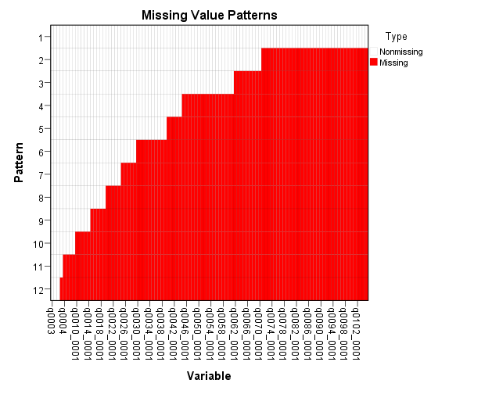
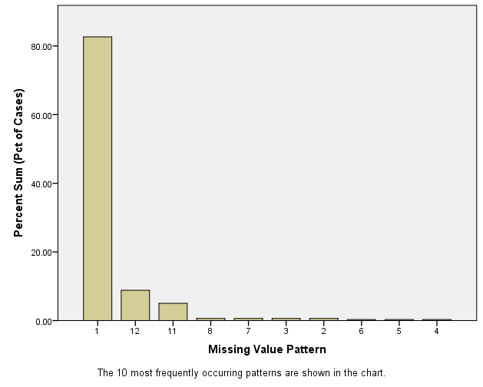
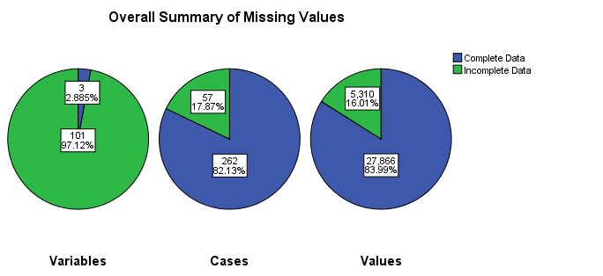

Cont Dist Issues
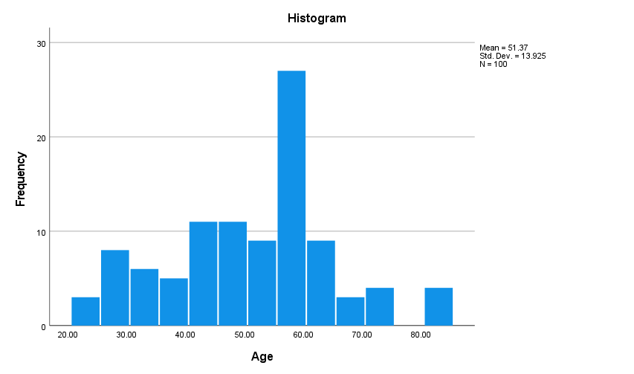
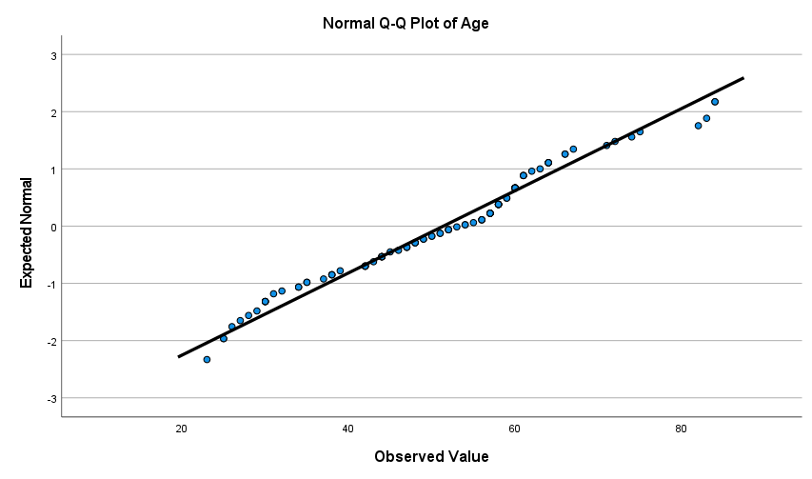
Statistics
Age
N | Valid | 100
 | Missing | 0
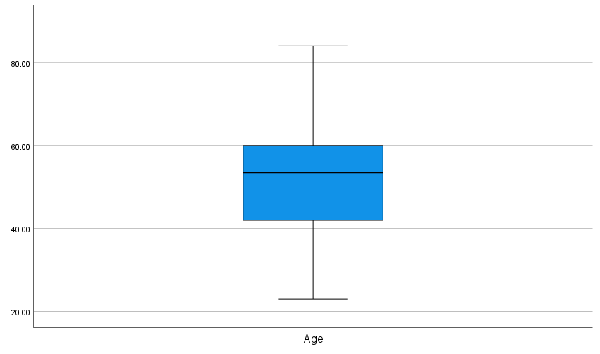
Mean |  | 51.37
Median |  | 53.5
Std. Deviation |  | 13.92524
Skewness |  | -0.007 | -0.029045643154
Std. Error of Skewness |  | 0.241
Kurtosis |  | -0.221 | -0.46234309623
Std. Error of Kurtosis |  | 0.478
Minimum |  | 23
Maximum |  | 84

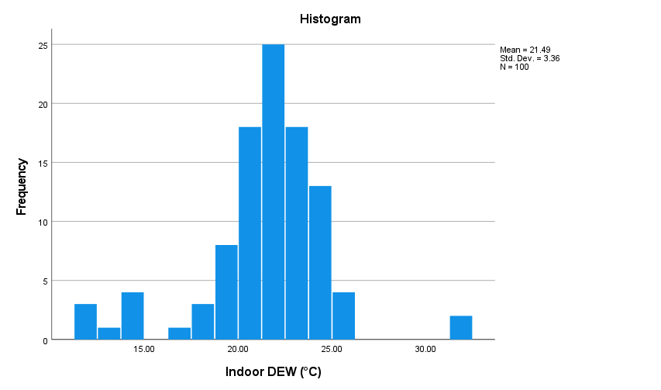
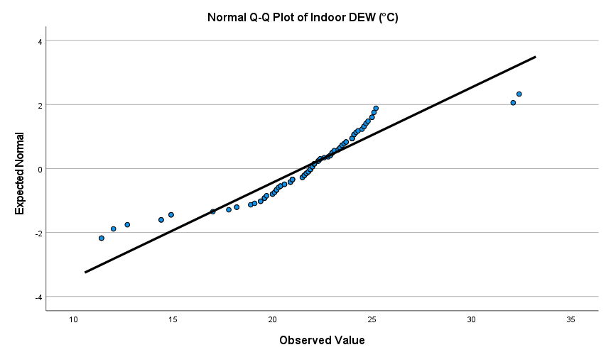
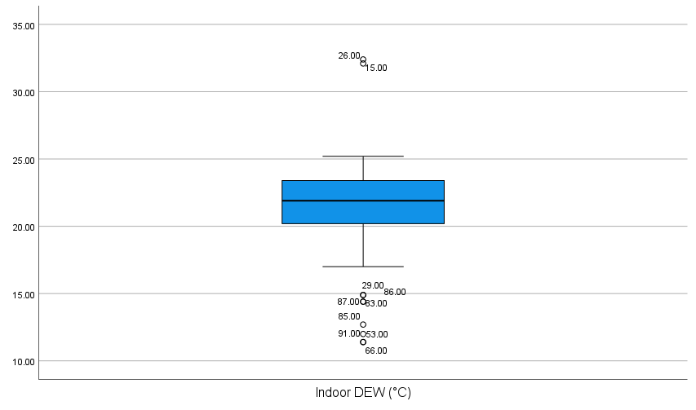
Statistics
Indoor DEW (°C)
N | Valid | 100
 | Missing | 0
Mean |  | 21.485
Median |  | 21.9
Std. Deviation |  | 3.36021
Skewness |  | -0.567 | -2.3526970954
Std. Error of Skewness |  | 0.241
Kurtosis |  | 3.067 | 6.4163179916
Std. Error of Kurtosis |  | 0.478
Minimum |  | 11.4
Maximum |  | 32.4

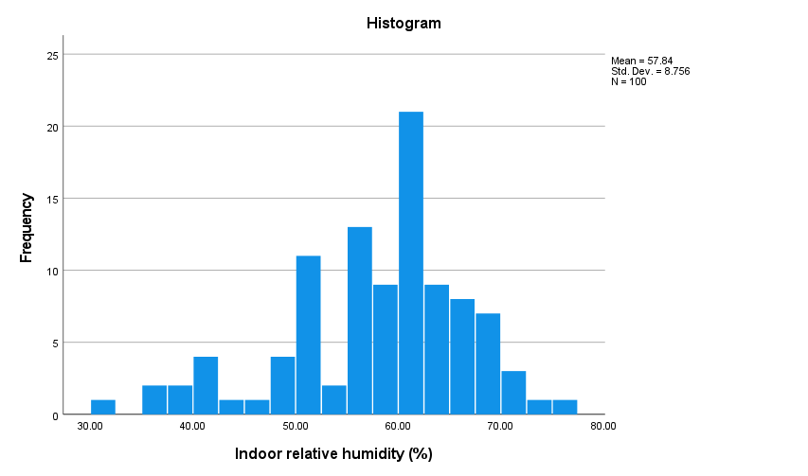
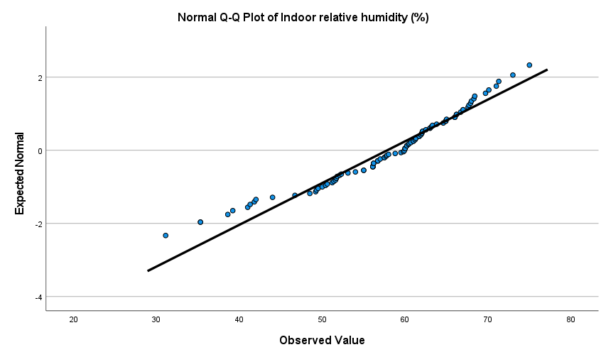
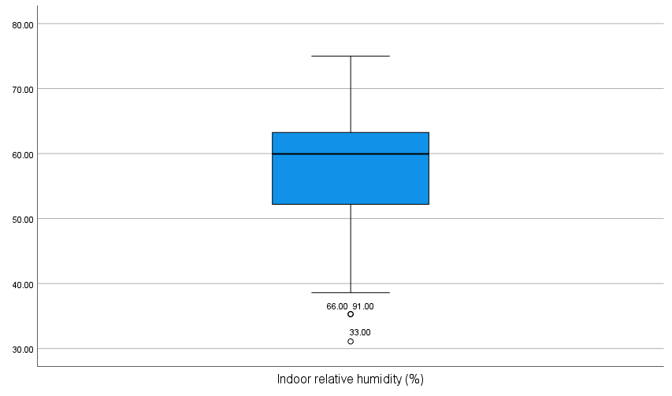
Statistics
Indoor relative humidity (%)
N | Valid | 100
 | Missing | 0
Mean |  | 57.838
Median |  | 59.95
Std. Deviation |  | 8.75611
Skewness |  | -0.805 | -3.3402489627
Std. Error of Skewness |  | 0.241
Kurtosis |  | 0.616 | 1.2887029289
Std. Error of Kurtosis |  | 0.478
Minimum |  | 31.1
Maximum |  | 75

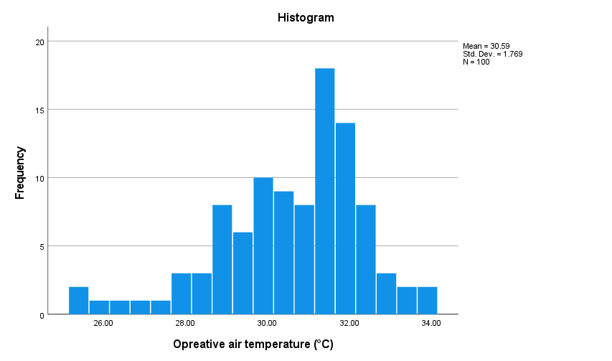

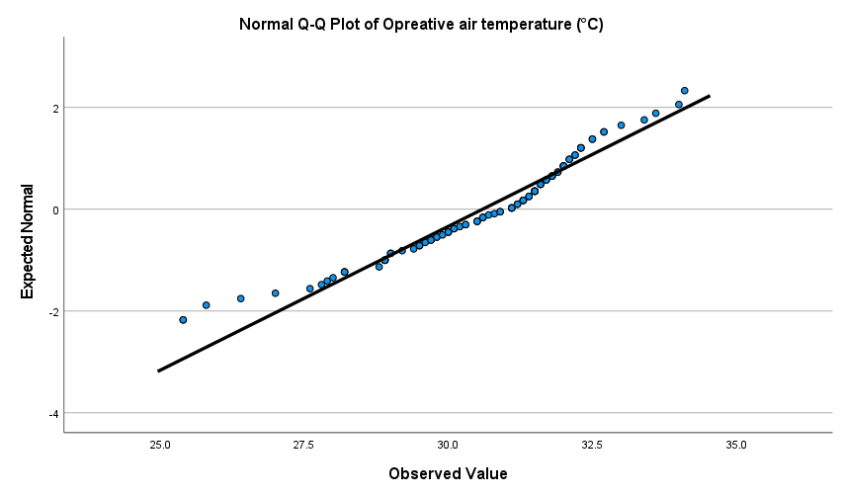
Statistics
Opreative air temperature (°C)
N | Valid | 100
 | Missing | 0
Mean |  | 30.595
Median |  | 31.1
Std. Deviation |  | 1.7686
Skewness |  | -0.816 | -3.3858921162
Std. Error of Skewness |  | 0.241
Kurtosis |  | 0.756 | 1.5815899582
Std. Error of Kurtosis |  | 0.478
Minimum |  | 25.4
Maximum |  | 34.1

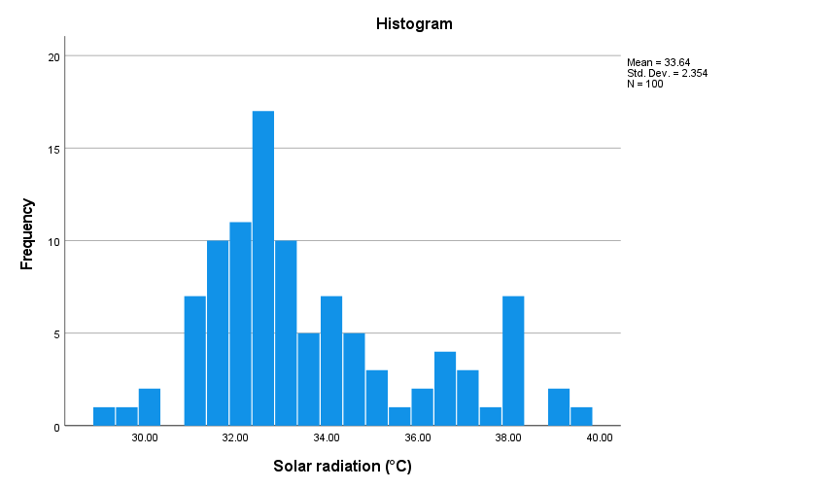
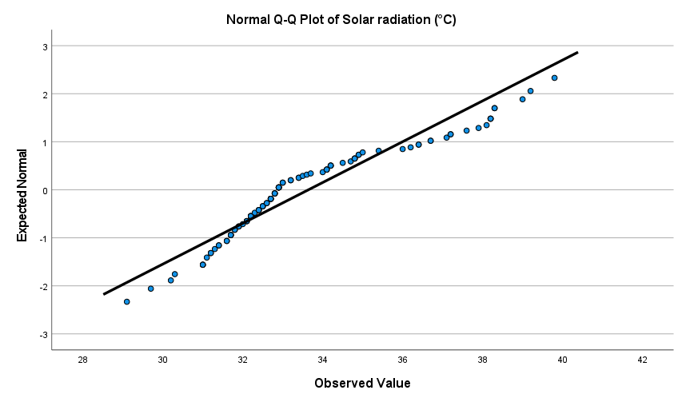
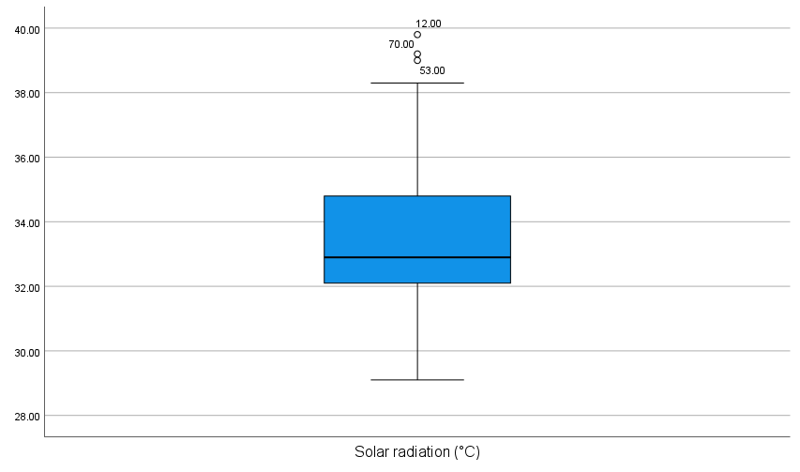
Statistics
Solar radiation (°C)
N | Valid | 100
 | Missing | 0
Mean |  | 33.641
Median |  | 32.9
Std. Deviation |  | 2.35445
Skewness |  | 0.84 | 3.4854771784
Std. Error of Skewness |  | 0.241
Kurtosis |  | -0.036 | -0.075313807531
Std. Error of Kurtosis |  | 0.478
Minimum |  | 29.1
Maximum |  | 39.8

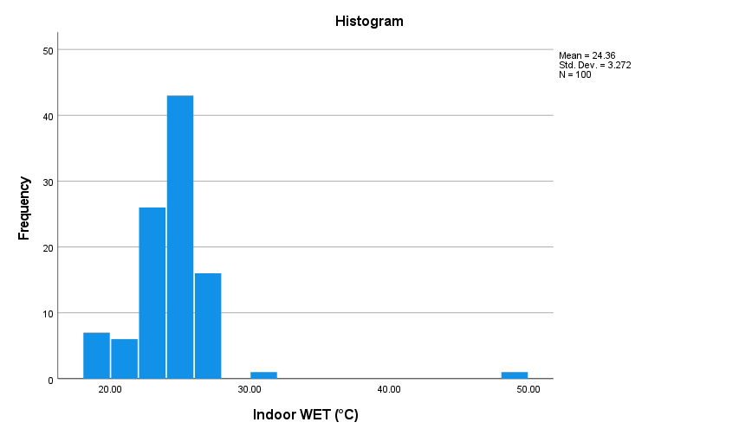

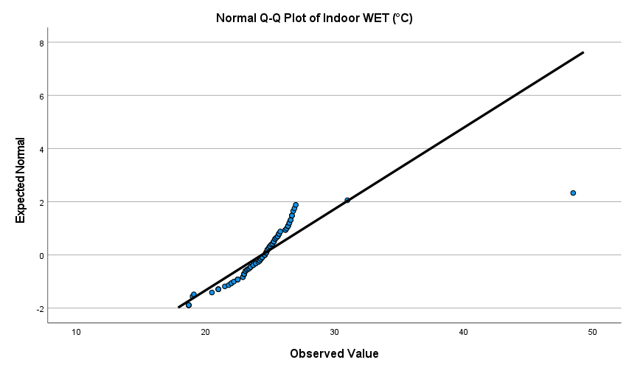
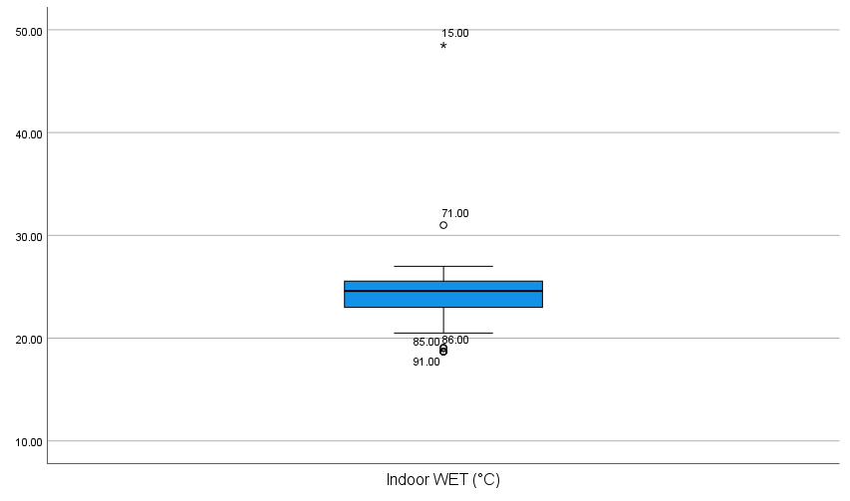
Statistics
Indoor WET (°C)
N | Valid | 100 |  | 1 EXTREME OUTLIER
 | Missing | 0
Mean |  | 24.358
Median |  | 24.6
Std. Deviation |  | 3.27217
Skewness |  | 3.844 | 15.950207469
Std. Error of Skewness |  | 0.241
Kurtosis |  | 29.64 | 62.008368201
Std. Error of Kurtosis |  | 0.478
Minimum |  | 18.7
Maximum |  | 48.5

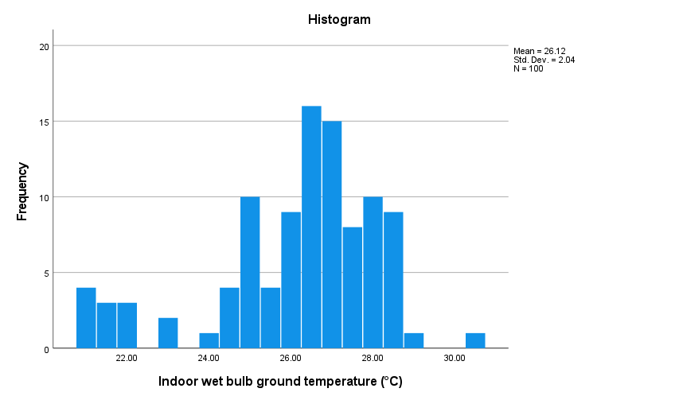

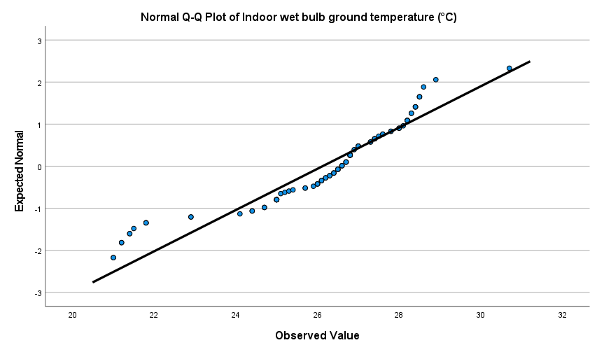
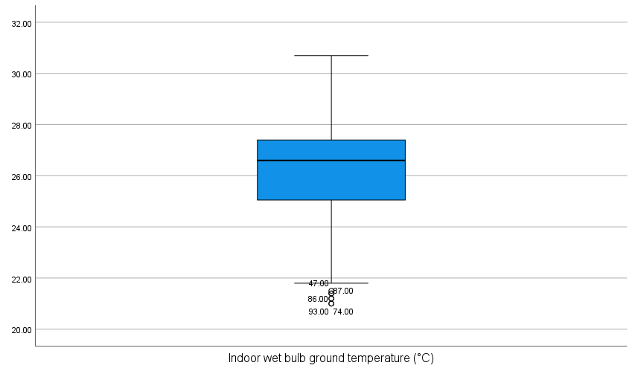
Statistics
Indoor wet bulb ground temperature (°C)
N | Valid | 100
 | Missing | 0
Mean |  | 26.124
Median |  | 26.6
Std. Deviation |  | 2.03956
Skewness |  | -1.015 | -4.2116182573
Std. Error of Skewness |  | 0.241
Kurtosis |  | 0.793 | 1.6589958159
Std. Error of Kurtosis |  | 0.478
Minimum |  | 21
Maximum |  | 30.7

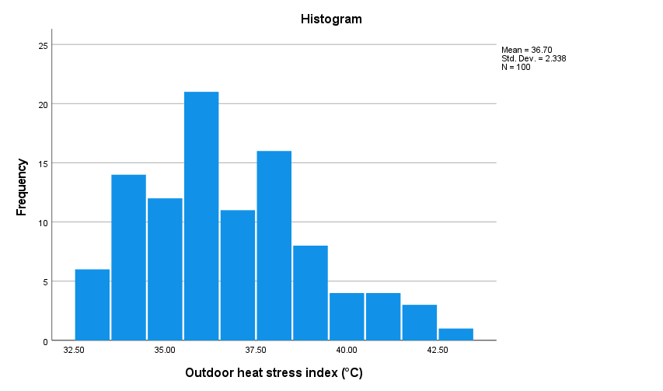
Statistics
Outdoor heat stress index (°C)
N | Valid | 100
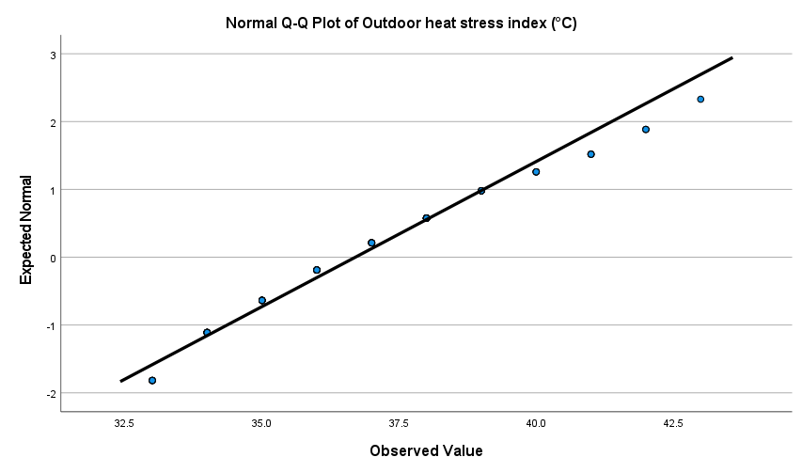
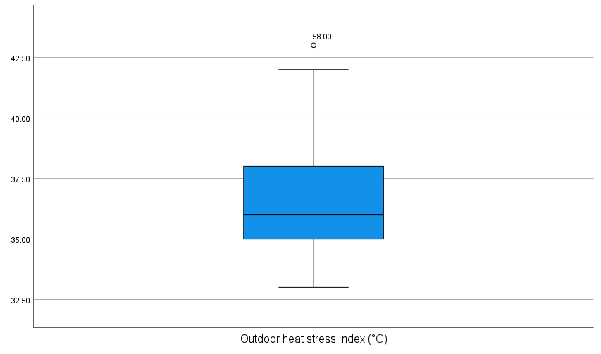
 | Missing | 0
Mean |  | 36.7
Median |  | 36
Std. Deviation |  | 2.33766
Skewness |  | 0.521 | 2.1618257261
Std. Error of Skewness |  | 0.241
Kurtosis |  | -0.208 | -0.43514644351
Std. Error of Kurtosis |  | 0.478
Minimum |  | 33
Maximum |  | 43

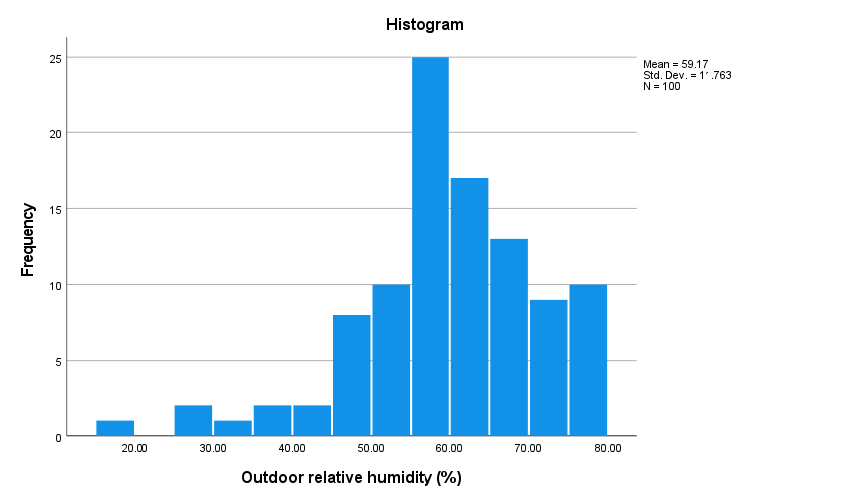
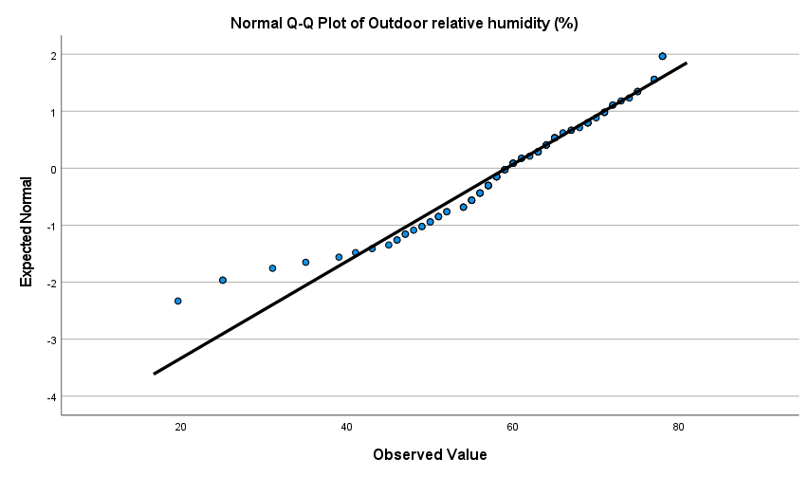
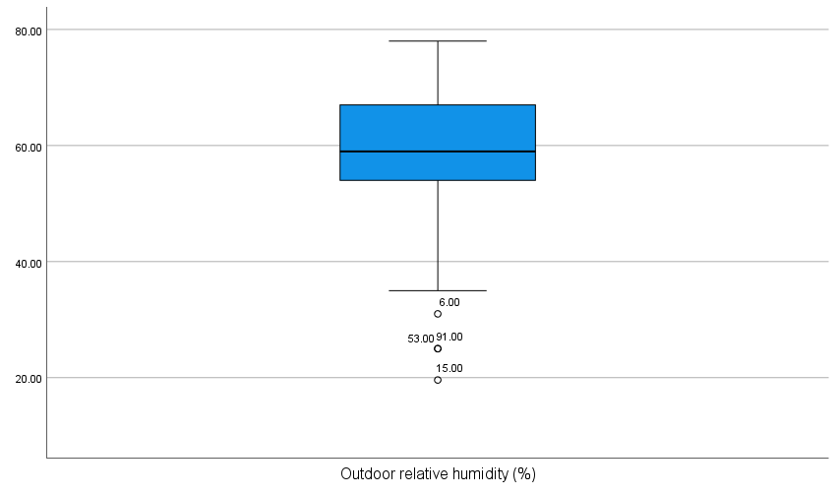
Statistics
Outdoor relative humidity (%)
N | Valid | 100
 | Missing | 0
Mean |  | 59.166
Median |  | 59
Std. Deviation |  | 11.76264
Skewness |  | -0.853 | -3.5394190871
Std. Error of Skewness |  | 0.241
Kurtosis |  | 1.39 | 2.9079497908
Std. Error of Kurtosis |  | 0.478
Minimum |  | 19.6
Maximum |  | 78

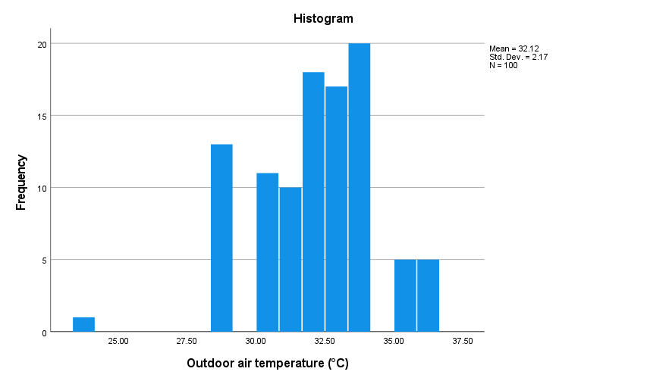
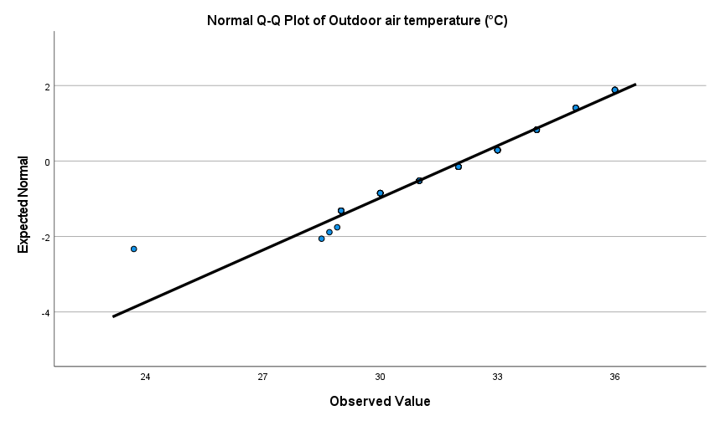
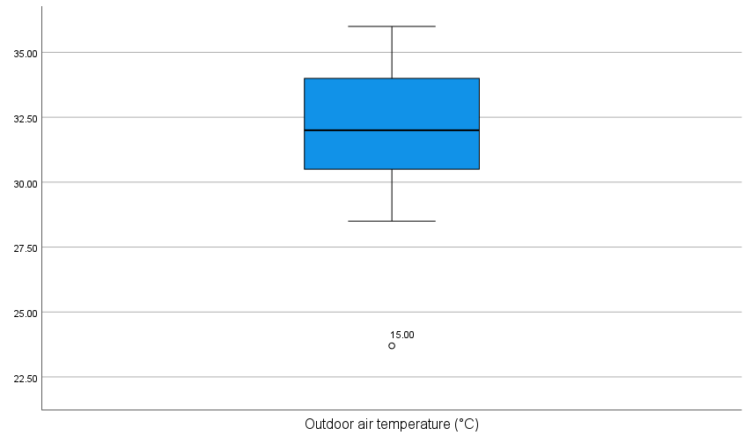
Statistics
Outdoor air temperature (°C)
N | Valid | 100
 | Missing | 0
Mean |  | 32.118
Median |  | 32
Std. Deviation |  | 2.17015
Skewness |  | -0.587 | -2.4356846473
Std. Error of Skewness |  | 0.241
Kurtosis |  | 0.952 | 1.9916317992
Std. Error of Kurtosis |  | 0.478
Minimum |  | 23.7
Maximum |  | 36

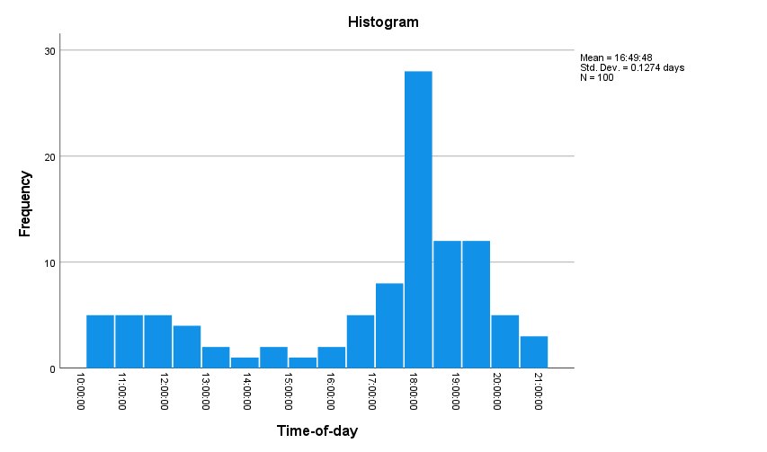
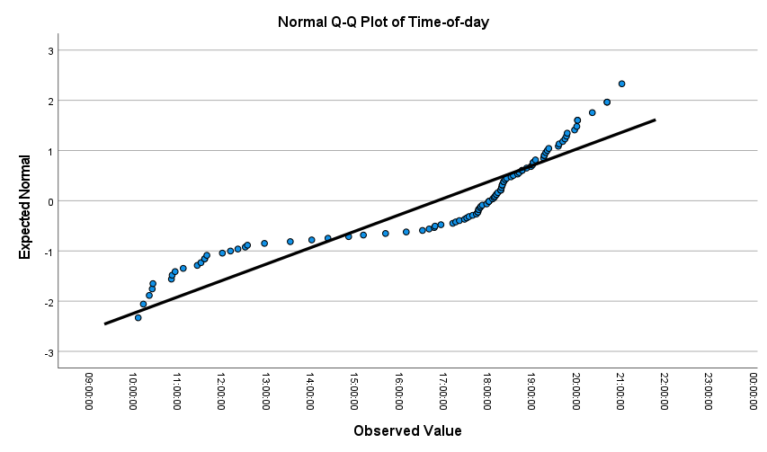
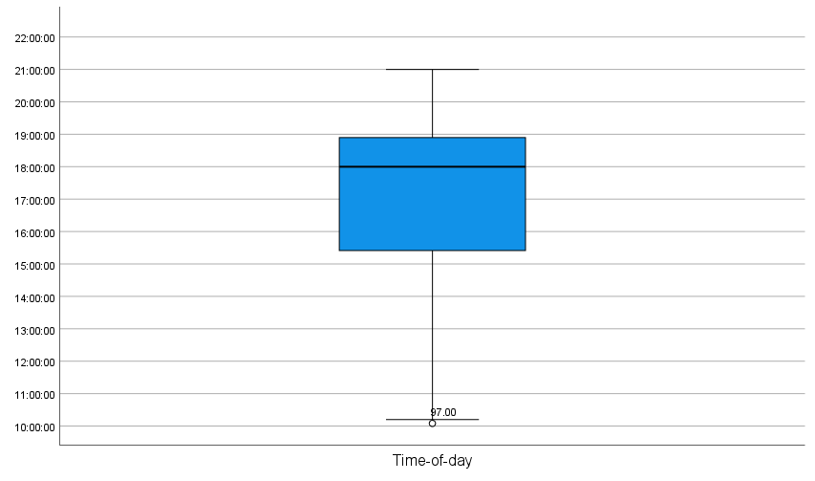
Statistics
Time-of-day
N | Valid | 100
 | Missing | 0
Mean |  | 16:49:00
Median |  | 18:00:00
Std. Deviation |  | 3:03:00
Skewness |  | -1.024 | -4.2489626556
Std. Error of Skewness |  | 0.241
Kurtosis |  | -0.3 | -0.62761506276
Std. Error of Kurtosis |  | 0.478
Minimum |  | 10:05:00
Maximum |  | 21:00:00

